PRD
Product Requirement Document (PRD) - Version: 1.0

Template Name |  | AD Venture: An Integrated Advertisement Ecosystem
Goals & Objective |  | AD Venture is a comprehensive platform designed to integrate businesses, users, and administrators into a unified advertisement ecosystem. The goal of this platform is to provide an efficient, personalized, and interactive system for managing and engaging with advertisements. From this platform, users can: Businesses (Advertisers): -Create and manage targeted ad campaigns based on demographics, preferences, and location. -Monitor ad performance using real-time analytics, such as views, clicks, and feedback. -Update business profiles and manage posted ads (edit, pause, or delete campaigns). Front Users (General Audience): -View personalized ads tailored to their interests and location. -Save favorite ads to a "Wishlist" for later review. -Search and filter ads by category, location, price, or popularity. -Provide feedback on ads through ratings or comments. -Update profile information and manage preferences for ad categories. Admins: -Review and approve ad postings to ensure platform compliance. -Oversee platform-wide analytics and generate trend reports. -Moderate flagged content and handle disputes between users and businesses. -Configure platform settings like ad categories.
Client Information |  | Client Types: Advertisers: Businesses and brands looking to create, manage, and optimize ad and ad campaigns. Users (General Audience): Individuals seeking personalized and relevant advertisements. Administrators: Platform managers responsible for maintaining compliance, moderating content, and overseeing analytics.
Product Type |  | Web Application
Domain |  | Web2
Access Layers |  | Businesses (Advertisers), Front Users (Viewers/General Users), Admins
Design Required |  | Yes

Phase | Item No | Specification [Role] | User Story | Acceptance Criteria | UI Screen / Wireframe | Tags
Feature: 1 |  | Home Page
phase 1 | 1 | Home Page [User][Admin][Advertiser] | -Display Ads -Sign In (Button) -Sign Up (Button) | -The home page automatically display relevant ads. -Clicking on an ad will redirect the user to its detailed view. -If the user is not logged in, a Sign In button should be displayed. -If the user is not logged in, a Sign Up button should appear alongside the Sign In button. | 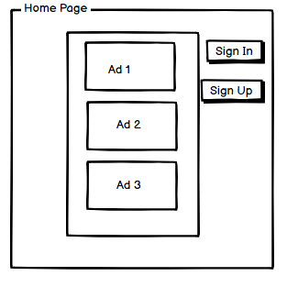 | homepage
Feature: 2 |  | Auth Feature
phase 1 | 2 | Signup [Advertiser] [User] | - Enter Full name (input) - Enter unregistered email (input) - Enter password (input) [Logic: At least 8 characters long, atleast one special character] - Enter password again (input) [Logic: should match password input] - Choose user type [user,Advertiser] - Click Signup (button) [Logic: If the email is unique, user will be registered to the sysmem (databse)] - Signin (link) [Logic: redirect user to Login page] | - Email (input) field should only accept valid unregistered email address as input, otherwise will show an 'email already used' message. - Password (input) should be minimum 8 characters long. Otherwise show an invalid message. - Re-password (input) should match password. Otherwise show 'password do not match' message. - User type must be selected. Otherwise show 'Please select a user type'. - On clicking signup button, credential will be stored in database, user will be redirected to his dashboard. - A copy of the login information will be sent to his email. | 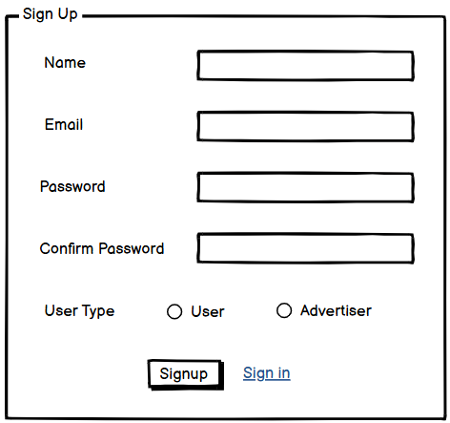 | signup
phase 1 | 3 | Signin [Advertiser] [User] | - Enter Email (input) - Enter password (input) - signin (button) - signup (link) - forgot password (link) | - Email must match database email - password must match database password - User go to dashboard (if email & password match with database) - User is promt with an error. "Email or password does not match!". (if email & password match with database) - clicking signup should take user to signup page - clicking forgot password should take him to forgot password page | 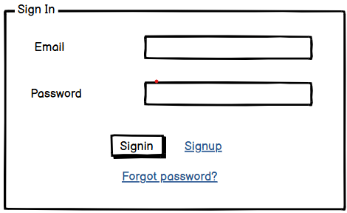 | signin
phase 1 | 4 | Signin [Admin] | -Enter Email (input) -Enter Password (input) -Sign-In (button) -Forgot Password (link) | -Email must match a record in the admin database. -Password must match the corresponding email's password in the admin database. -On success, the admin is redirected to the admin dashboard. -If email or password does not match, the admin is shown the error message: "Email or password does not match!". -Clicking the "Forgot Password" link redirects the admin to the Forgot Password page for admin users. |  | signin_admin
phase 1 | 5 | Forgot password[Advertiser] [User][Admin] | - Enter email (input) - Press send code (button) - Enter new password (input) - Re-type new password (input) - click on change passowrd to update password (button) | - email must match DB email or promt "No email found!" - pressing send code will print a message "code sent!" and the code can be found at user info row. - enter new password [At least 8 characters long, atleast one special character] - re-type new password [it should match new password] - clicking submit button will show user -> "password changed" if all info match criteria or it'll indicate what's wrong | 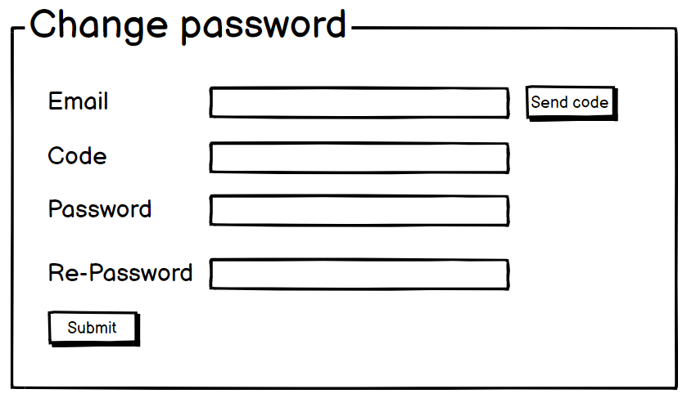 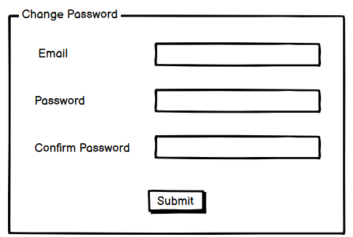 | forgot_password
Feature: 3 |  | Dashboard
phase 1 | 6 | Menu[Admin] | -Dashboard (link) -Manage Ads (link) -View Users (link) -Manage Users (link) -View Advertisers (link) -Manage Advertisers (link) -Ad Analytics (link) -System Settings (link) -Flagged Content (link) -Generate Reports (link) -Change Password (link) | -Clicking Dashboard will take the admin to an overview of platform -statistics, user activity, and ad performance. -Clicking Manage Ads will allow the admin to view, approve, or reject -pending ads, and manage flagged or reported ads. -Clicking View Users will display a list of all registered users and their details. -Clicking Manage Users will let the admin edit, deactivate, or delete user accounts as needed. -Clicking View Advertisers will display a list of all registered businesses/advertisers. -Clicking Manage Advertisers will allow the admin to review, deactivate, or update advertiser accounts. -Clicking Ad Analytics will show aggregated performance data of all ads on the platform, like total views and engagement rates. -Clicking System Settings will open a page where the admin can configure platform-wide settings like ad categories and notification preferences. -Clicking Flagged Content will take the admin to a page where they can review and resolve flagged ads or user activity. -Clicking Generate Reports will allow the admin to create detailed performance reports for specified time periods. -Clicking Change Password will open the password update page. | 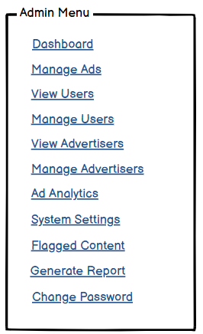 | menu_admin
phase 1 | 7 | Menu [Advertiser] | -Dashboard (link) -Create Ad (link) -Manage Ads (link) -Ad Analytics (link) -View Profile (link) -Edit Profile (link) -Change Profile Photo (link) -Change Password (link) | -Clicking Dashboard will take the business user to their analytics dashboard. -Clicking Create Ad will navigate to the ad creation page. -Clicking Manage Ads will allow users to edit, pause, or delete existing ads. -Clicking Ad Analytics will show performance metrics of posted ads. -Clicking View Profile will display the user’s business profile. -Clicking Edit Profile will allow editing of business details. -Clicking Change Profile Photo will let the business update its profile image. -Clicking Change Password will navigate to the password update page. | 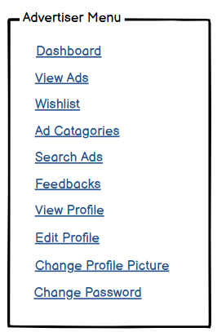 | menu_advertiser
phase 1 | 8 | Menu[User] | -Dashboard (link) -View Ads (link) -Wishlist (link) -Ad Categories (link) -Search Ads (link) -Feedback (link) -View Profile (link) -Edit Profile (link) -Change Profile Photo (link) -Change Password (link) | -Clicking Dashboard will take the user to the main dashboard page showing an overview of their activity and suggested ads. -Clicking View Ads will show personalized ads based on user preferences and location. -Clicking Wishlist will display the user’s saved ads for later reference. -Clicking Ad Categories will take the user to a categorized list of ads for easy navigation. -Clicking Search Ads will take the user to an advanced search page with filters. -Clicking Feedback will open a page where the user can provide feedback or rate ads they have interacted with. -Clicking View Profile will take the user to their profile page. -Clicking Edit Profile will allow the user to modify their personal details, such as name and email. -Clicking Change Profile Photo will let the user update their profile picture. -Clicking Change Password will open the password update page. | 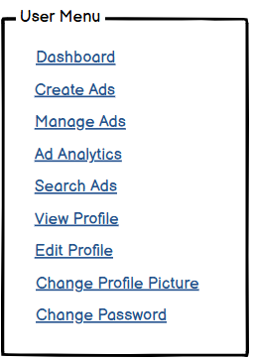 | menu_user
phase 1 | 9 | Dashboard [Admin] | -Total Ads (text) -Active Users (text) -Pending Ads (text) -Reported Ads (text) -Generate Reports (link) -System Notifications (text) | -Total Ads displays the total number of ads posted on the platform. -Active Users shows the current count of users actively using -the platform. -Pending Ads displays the number of ads awaiting admin approval. -Reported Ads shows the count of flagged ads requiring attention. -Clicking Generate Reports will take the admin to the reports generation page, where detailed analytics can be exported. -System Notifications displays recent alerts or updates about platform activities (e.g., flagged content, ad status changes). | 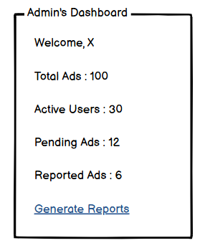 | admin_dashboard
phase 1 | 10 | Dashboard[User] | -Personalized Ads (text) -Saved Ads (link) -Recently Viewed Ads (link) -Active Preferences (text) -Notifications (text) | -Personalized Ads displays ads tailored to the user’s interests and browsing behavior. -Clicking Saved Ads will take the user to their wishlist, showing the ads they’ve saved for future reference. -Clicking Recently Viewed Ads will show a list of ads the user has recently interacted with. -Active Preferences shows the user’s selected preferences for ad targeting (e.g., location, category, price range). -Notifications displays updates and alerts about new ad recommendations, user activity, or platform announcements. | 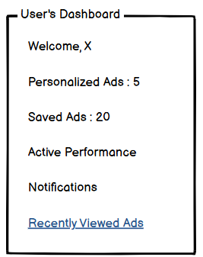 | user_dashboard
phase 1 | 11 | Dashboard[Advertiser] | -Total Ads (text) -Active Ads (text) -Pending Ads (text) -Ad Performance Overview (link) -Notifications (text) | -Total Ads displays the total number of ads created by the advertiser. -Active Ads shows the number of ads currently live on the platform. -Pending Ads displays the number of ads awaiting admin approval. -Clicking Ad Performance Overview will navigate to a page showing analytics such as impressions, clicks, and engagement rates for the advertiser’s ads. -Notifications displays recent updates related to the advertiser’s account, such as ad approval status or flagged ads. | 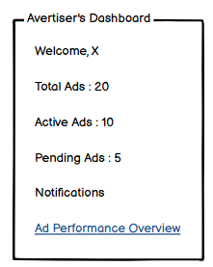 | advertiser_dashboard
Feature: 4 |  | Top bar and Bottom Bar
phase 1 | 12 | Top bar | - clicking on logo will take user to dashboard - clicking on logout will logout user - clicking on username will take him to profile page | - logout should erase cookie and user should not be able to go to dashboard without login again |  | topbar
phase 1 | 13 | Bottom Bar | none | none |  | bottombar
Feature: 5 |  | Manage Ads
phase 2 | 14 | Manage Ads [Admn] | -View Pending Ads (link) -Approve/Reject Ads (button) -Edit Ad Details (button) -View Ad Statistics (link) -Search Ads (input) -Filter Ads by Category (dropdown) -Delete Ads (button) | -Admin must review pending ads to ensure compliance with platform guidelines. -Admin must approve or reject each ad based on content, relevance, and adherence to rules. -Admin can edit any ad information, including title, description, pricing, and images. -Admin can view detailed ad performance statistics. -Admin can search for specific ads using keywords, ad titles, or unique identifiers. -Admin can filter ads by category to streamline the review and management process. -Admin can permanently delete any ad that violates platform rules or content guidelines. | 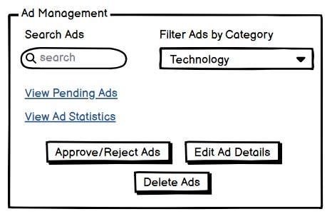 | manage_ad
Feature: 5 |  | Manage Users[admin]
phase 2 | 15 | View Users [Admin] | -Active Users (section) -Inactive Users (section) -Search Users (input) -Deactivate/Activate User Account (button) -Edit User Information (button) -View User Activity History (link) | -Upon entering the View Users page, Active Users and Inactive Users are displayed automatically in separate sections. -Admin can search for specific users by name, email. -Admin must deactivate or activate user accounts to maintain compliance with platform guidelines. -Admin can edit any user's information, including contact details, username, and account preferences. -Admin must access a user's activity history to analyze engagement patterns and interactions. | 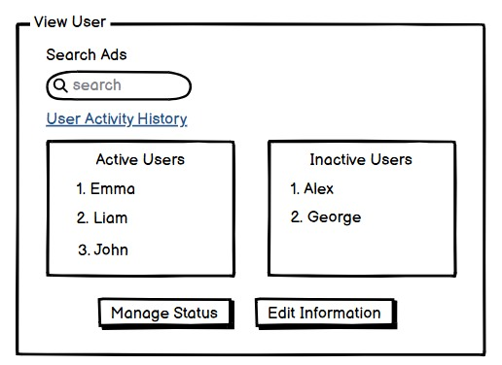 | view_user
phase 2 | 16 | Manage Users [Admin] | -View All Users (link) -Activate/Deactivate User Account (button) -Edit User Information (button) -Assign Roles to Users (dropdown) -Search Users (input) -Filter Users by Status (dropdown) -Ban User Account (button) -Unban User Account (button) -Delete User Account (button) | -Admin must view a list of all registered users with their account status and relevant details. -Admin must activate or deactivate user accounts to comply with platform policies and rules. -Admin can modify any user's information, including email, name, username, and contact details. -Admin must assign roles (e.g., user, advertiser, moderator) to define user permissions and access levels. -Admin can search for specific users using unique identifiers, name, or email address. -Admin must filter users based on account status (Active, Inactive, Suspended) to streamline management tasks. -Admin can ban a user account temporarily or permanently for violations of platform terms. -Admin must unban previously suspended accounts after proper review and validation. -Admin can permanently delete any user account that breaches platform guidelines or policies | 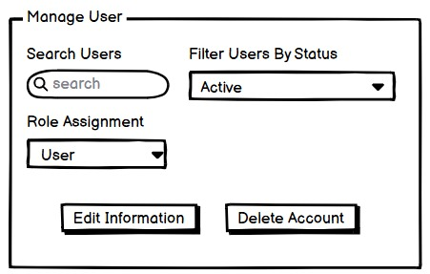 | manage_user
Feature: 7 |  | Manage Advertisers[admin]
` | 17 | View Advertisers [Admin] | -View All Advertisers (Link) -Search Advertisers (input) -Filter Advertisers by Category (dropdown) -View Business Profile Details (link) -Activate/Deactivate Advertiser Account (button) -Edit Business Information (button) -View Ad Campaigns (link) -Assign Promotional Campaigns (button) -Delete Advertiser Account (button) | -Admin must view a list of all registered advertisers along with their business information and platform activity.- -Admin can search for specific advertisers using business name, contact information, or unique IDs. -Admin must filter advertisers based on categories (e.g., fashion, technology, real estate) to manage interactions. -Admin can access detailed business profiles to review company information, contact details, and branding assets. -Admin must activate or deactivate advertiser accounts to maintain compliance with platform guidelines. -Admin can modify business information, including company name, address, contact details, and description. -Admin can view ongoing and past ad campaigns run by each advertiser to analyze performance and engagement. -Admin can assign promotional campaigns and sponsorship opportunities to selected advertisers. -Admin can permanently delete advertiser accounts that breach platform terms and policies. | 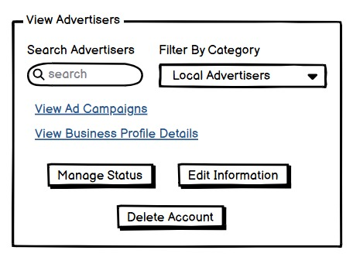
phase 2 | 18 | Manage Advertisers [Admin] | -View All Advertisers (Link) -Search Advertisers (input) -Filter Advertisers by Category (dropdown) -Activate/Deactivate Advertiser Account (button) -Edit Business Information (button) -Assign Ad Campaigns (button) -View Ad Performance Analytics (link) -Ban Advertiser Account (button) -Unban Advertiser Account (button) -Delete Advertiser Account (button) | -Admin must view a list of all registered advertisers, including their business profiles and activity status. -Admin can search for specific advertisers by company name, contact details, or unique IDs. -Admin can filter advertisers based on categories -Admin must activate or deactivate advertiser accounts to ensure compliance with platform policies. -Admin can modify any business information, such as company name, address, contact details, and branding. -Admin must assign ad campaigns to selected advertisers, ensuring proper scheduling and placement. -Admin can view detailed ad performance analytics, including metrics like impressions, clicks, and CTR. -Admin must ban advertiser accounts temporarily or permanently in case of policy violations. -Admin can unban previously suspended advertiser accounts after thorough review and validation. -Admin can permanently delete advertiser accounts that violate platform guidelines or terms of service. | 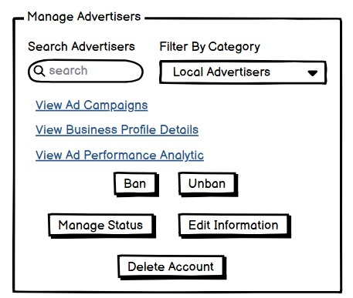 | manager_advertisers
Feature: 8 |  | Ad Analytics
phase 2 | 19 | Ad Analytics [Admin] | -Filter Ads by Date Range (input) -View Impressions(Text) -Compare Ad Campaigns (button) -Download Analytics Report (button) | -Admin can filter ad analytics by date range to analyze campaign performance over specific periods. -Admin can compare multiple ad campaigns to evaluate which ads are performing better. -Admin can download the ad analytics data in report format for further analysis or sharing. | 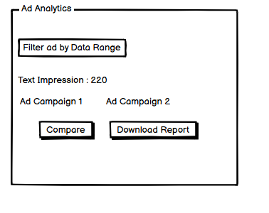 | ad_analytics_admin
Feature: 9 |  | System Settings
phase 1 | 20 | System Settings [Admin] | -View Current Settings (link) -Modify Platform Settings (button) -Set Ad Display Rules (input) -Enable/Disable Features (button) -Manage Payment Integration (link) -Save Changes (button) | -Admin must be able to view the current system settings related to platform functionality and ad display. -Admin can modify platform settings, including ad display rules, notification settings, and other system preferences. -Admin can set rules regarding the type of ads allowed on the platform (e.g., content restrictions, size limits). -Admin can enable or disable specific platform features, such as ad targeting or user registration. -Admin must manage payment integration settings for processing payments from advertisers. -Admin can save any changes made to system settings to ensure they are applied correctly. | 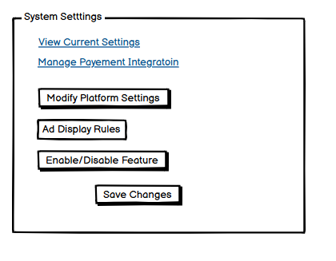 | system_settings
Feature: 10 |  | Flagged Content
phase 3 | 21 | Flagged Content [Admin] | -View Flagged Ads/Content (link) -Review Content (button) -Approve/Reject Flagged Content (button) -View Flagged Content Details (link) -Delete Flagged Content (button) | -Admin must view ads or content that have been flagged by users or automated systems for review. -Admin must review flagged content to determine whether it violates platform guidelines. -Admin can approve or reject flagged content based on the review outcome. -Admin can access detailed information regarding flagged content, including the reason for flagging. -Admin can permanently delete any flagged content that violates platform rules. | 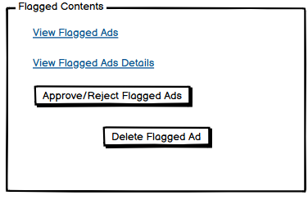 | flagged_contents
Feature: 11 |  | Generate Reports
phase 3 | 22 | Generate Reports [Admin] | -Select Report Type (dropdown) -Set Report Parameters (input) -Generate Report (button) -Download Report (button) | -Admin can select the type of report they wish to generate (e.g., ad performance, user activity, revenue). -Admin must set parameters for the report, including date range, user segment, or ad categories. -Admin can generate the report based on the selected type and parameters. -Admin can download the generated report in formats such as CSV or PDF for further analysis. | 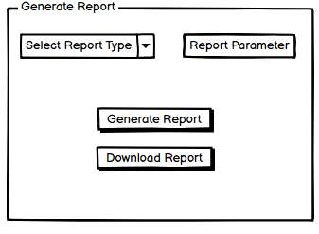 | generate_report
Feature: 12 |  | Change Password[Admin]
phase 3 | 23 | Change Password [Admin] | -Enter Current Password (input) -Enter New Password (input) -Re-enter New Password (input) Click Save Changes (button) | -Admin must enter their current password to verify identity before making any changes. -Admin must provide a new password that meets platform security requirements (e.g., length, complexity). -Admin must re-enter the new password to confirm it matches. -Admin must click the Save Changes button to update the password. -Admin must be notified if the password change is successful or if there are any errors (e.g., passwords do not match). | 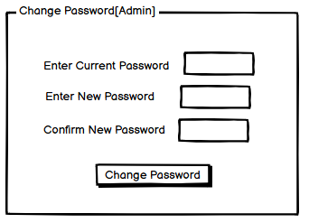 | change_admin_pass
Feature: 13 |  | Create Ad
phase 3 | 24 | Create Ad [Advertiser] | -Enter Ad Title (input) -Add Ad Description (textarea) -Upload Images (file input) -Select Ad Category (dropdown) -Set Budget (input) -Set Start and End Dates (input) -Click Submit Ad (button) | -Advertiser must enter an ad title and description to create the content. -Advertiser must upload relevant images for the ad (validation for file type and size applies). -Advertiser must select a category for the ad to improve discoverability. -Advertiser must set a budget in a valid format (numeric, non-negative). -Advertiser must set start and end dates for the ad's visibility period. -Advertiser must click Submit Ad to finalize the process, and the system should validate all inputs. | 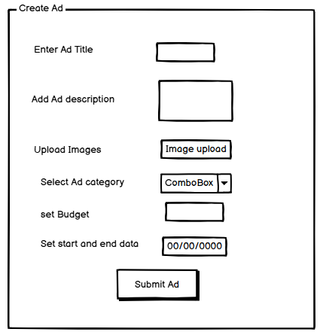 | create_ad_adv
Feature: 14 |  | Manage Ads
phase 3 | 25 | Manage Ads [Advertiser] | View Current Ads (list) Edit Ad (button) Pause/Resume Ad (toggle button) Delete Ad (button) | Advertiser must view a list of all active, paused, and expired ads. Advertiser must click Edit Ad to modify ad details like title, description, and budget. Advertiser must toggle between pause/resume states for active campaigns. Advertiser must click Delete Ad to remove a campaign permanently. | 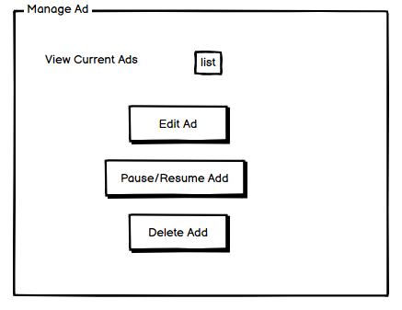 | manage_ad_adv
Feature: 15 |  | Ad Analytics
phase 3 | 26 | Ad Analytics (Advertiser) | -View Ad Performance (chart) -Filter by Ad (dropdown) -Set Date Range (input) | -Advertiser can view performance charts showing impressions, clicks of a add. -Advertiser must filter data for specific ads using a dropdown or search. -Advertiser must set a date range to see data for a specific time period. | 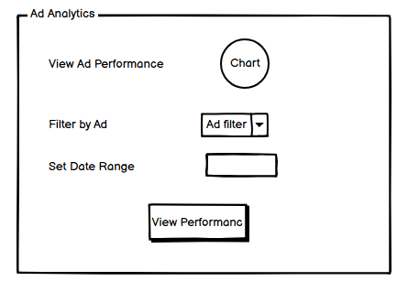 | ad_analytics_adv
Feature: 16 |  | Profile(adviser)
phase 3 | 27 | Edit Profile (Advertiser) | -Edit Business Name (input) -Edit Contact Email (input) -Edit Contact Phone (input) -Edit Address (textarea) -Update Profile (button) | -Advertiser must update their business name, contact email, phone number, and address. -Advertiser must provide valid inputs (e.g., valid email format, phone number must contain only digits). -Advertiser must click Update Profile to save changes | 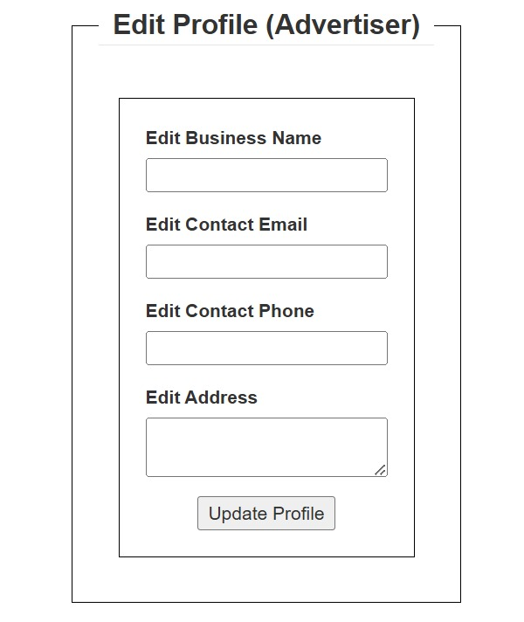 | edit_profile_adv
phase 3 | 28 | Change Profile Photo (Advertiser) | -Upload New Profile Photo (file input) -Preview Current Profile Photo (image) -Save Changes (button) | -Advertiser must upload a new profile photo (validate file type: JPEG, PNG). -Advertiser must preview the uploaded photo before saving. -Advertiser must click Save Changes to update the profile photo | 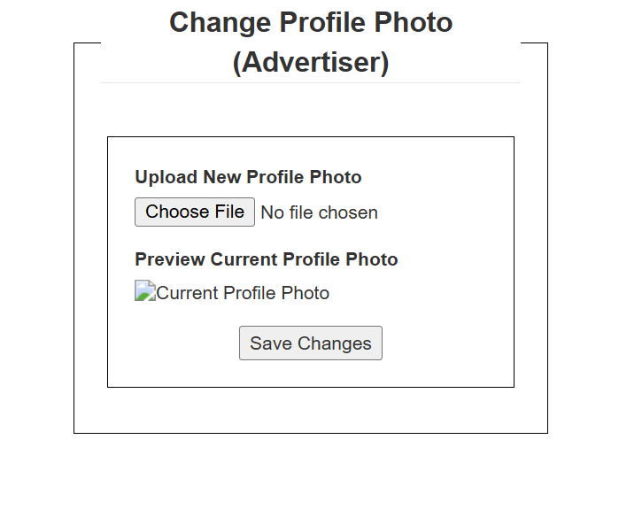 | change_prof_phot_adv
phase 3 | 29 | Change Password (Advertiser) | -Enter Current Password (input) -Enter New Password (input) -Confirm New Password (input) -Submit (button) | -Advertiser must enter their current password for security validation. -Advertiser must enter a new password, ensuring it meets security criteria (e.g., minimum length, special characters). -Advertiser must confirm the new password (must match the new password entered). -Advertiser must click Submit to save the new password. -System must validate the current password and match new passwords before updating. | 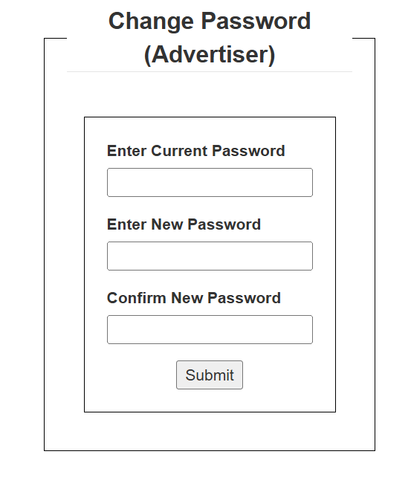 | change_pass_adv
phase 3 | 30 | View Profile (Advertiser) | -Display Business Name (text) -Display Contact Information (text) -Display Current Subscription Plan (text) -View Total Campaigns (text | -Advertiser must see their business details, contact information, and subscription plan summary. -Advertiser must see a summary of their campaigns (e.g., total created, active, paused). | 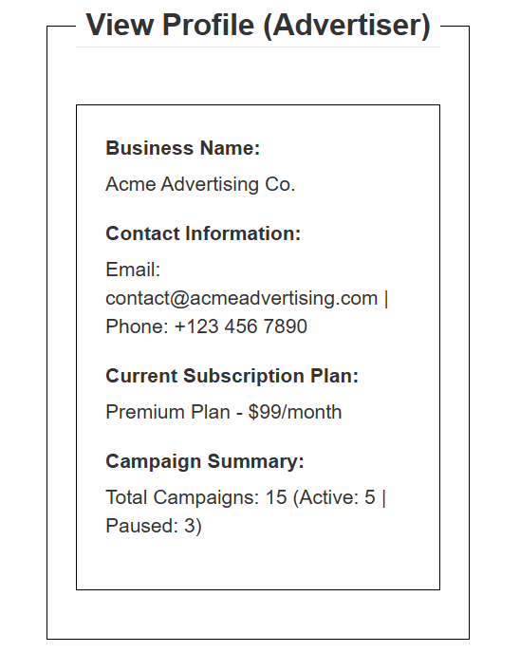 | view_profile_adv
Feature: 17 |  | View Ads (User)
phase 3 | 31 | Ad Categories (User) | -List of Categories (links) -View Ads in Category (link) | -User must see a categorized list of ads, such as Electronics, Real Estate, Vehicles, etc. -User must click on a category to view all ads within that category. | 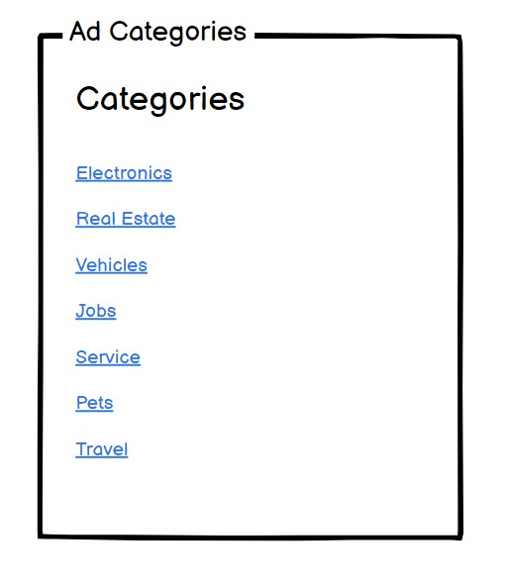 | ad_categories_adv
phase 3 | 32 | Search Ads (User) | -Search Bar (input) -Search Button (button) -View Search Results (section) | -User must enter a keyword in the Search Bar to find relevant ads. -User must click the Search Button to perform a search. -System must display relevant ads in the Search Results section. |  | search_ad_user
phase 3 | 33 | View Ads (User) | -List of Ads (dynamic section) -Filter Ads (dropdown) -Sort Ads (dropdown) View Ad Details (link) | -User must view a list of ads dynamically loaded based on their preferences. -User can filter ads by location, price range, or category. -User can sort ads by date, relevance, or popularity. -User must click View Ad Details to see the full ad information | 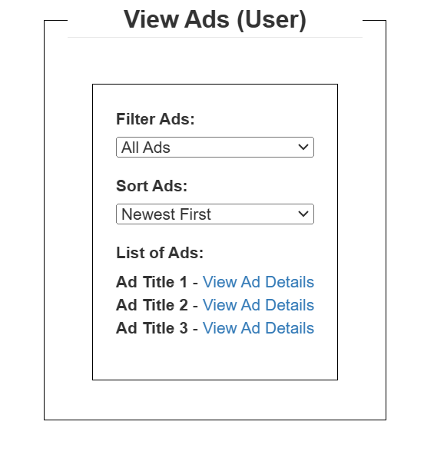 | view_ad_user
Feature: 18 |  | Wishlist (User)
phase 3 | 34 | Wishlist (User) | List of Saved Ads (section) Remove Ad from Wishlist (button) View Saved Ad Details (link) | User must see all ads they’ve saved to their wishlist. User must be able to remove ads from their wishlist. User must click View Saved Ad Details to navigate to the ad’s main page. | 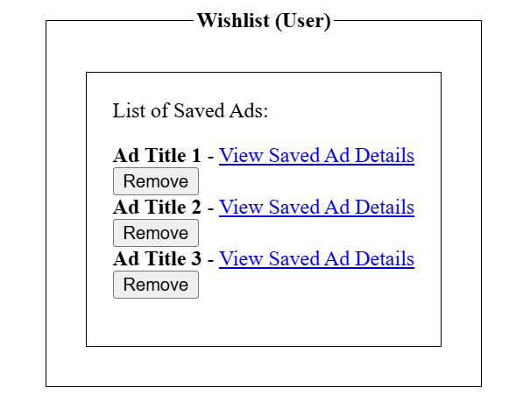 | wishlist_user
Feature: 19 |  | Feedback (User)
phase 3 | 35 | Feedback (User) | -Provide Feedback (textarea) -Submit Feedback (button) | -User must write their feedback in the Provide Feedback textarea. -User must click Submit Feedback to send their comments. | 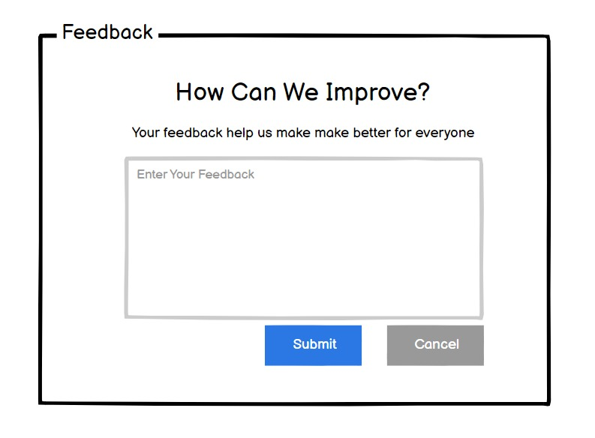 | feedback_user
Feature: 20 |  | Profile (User)
phase 3 | 36 | Edit Profile (User) | -Edit Name (input) -Edit Email (input) -Edit Phone Number (input) -Update Profile (button) | -User must update their name, email, and phone number. -System must validate inputs (e.g., valid email, phone number must contain only digits). -User must click Update Profile to save changes. | 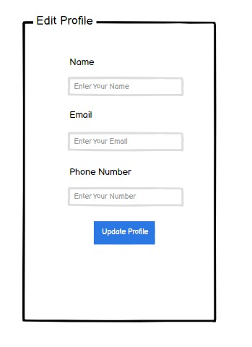 | edit_prof_user
phase 3 | 37 | Change Profile Photo (User) | -Upload New Profile Photo (file input) -Preview Current Profile Photo (image) -Save Changes (button) | -User must upload a new profile photo (validate file type: JPEG, PNG). -User must preview the uploaded photo before saving. -User must click Save Changes to update the profile photo. | 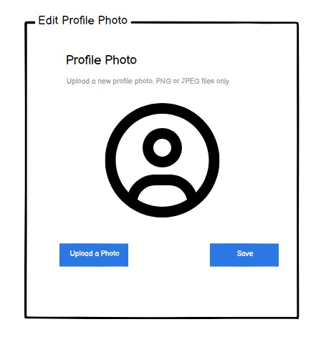 | change_prof_phot__user
phase 3 | 38 | Change Password(User) | -Enter Current Password (input) -Enter New Password (input) -Re-enter New Password (input) -Submit (button) | -User must enter the correct current password. -New password must meet platform security criteria (e.g., minimum length, use of special characters, numbers, and letters). -New password and re-entered password must match. -User must click the Submit button to finalize the password change. -If any requirement fails, the system should display appropriate error messages. | 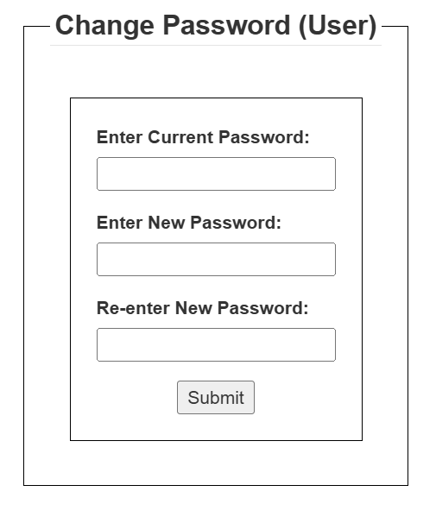 | change_pass_user
phase 3 | 39 | View Profile (User) | -Display Profile Information (section) -View Recent Activities (section) | -User must see their basic profile details, such as name, email, and saved ads count. -User must view recent activities, such as ads viewed or wishlist updates. | 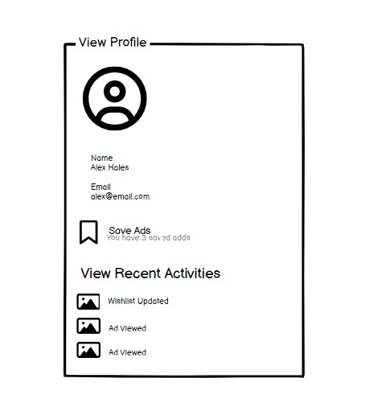 | view_profile_user

